Sheet1
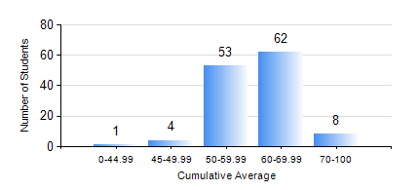
 |  |  | KWAME NKRUMAH UNIVERSITY OF SCIENCE AND TECHNOLOGY, KUMASI Department of Materials Engineering

 |  |  | BSC. METALLURGICAL ENG.

 |  |  | COMPREHENSIVE RECORD OF EXAMINATION RESULTS

 |  |  | RESULTS OF YEAR 2 FIRST SEMESTER, 2020/2021 ACADEMIC YEAR

 | Sn | Course Code |  | Course Name | Credit Hours | Min. Mark | Max. Mark | Avg. Mark | Std. Dev. | No. Passed | No. Trailed | No. (Df) | No. (I) | No. (I*) | No. Tagged(I,I*,Df) | Total
 | 0. |  |  |  |  |  |  | 0 | 0 | 0 | 0 | 0 | 0 | 0 | 0 | 13
 | 1. | CENG 291 |  | ENGINEERING IN SOCIETY | 2 | 42 | 82 | 64 | 7.31 | 115 | 0 | 0 | 0 | 0 | 0 | 115
 | 2. | GED 251 |  | MINERALOGY | 3 | 21 | 81 | 60 | 10.51 | 112 | 3 | 0 | 0 | 0 | 0 | 115
 | 3. | MATH 251 |  | DIFFERENTIAL EQUATIONS | 4 | 40 | 81 | 53 | 7.94 | 115 | 0 | 0 | 0 | 0 | 0 | 115
 | 4. | METE 251 |  | METALLURGICAL THERMODYNAMICS | 3 | 28 | 82 | 53 | 9.86 | 111 | 4 | 0 | 0 | 0 | 0 | 115
 | 5. | MSE 251 |  | MOMENTUM TRANSPORT | 2 | 17 | 86 | 49 | 16.11 | 86 | 29 | 0 | 0 | 0 | 0 | 115
 | 6. | MSE 253 |  | MECHANICAL BEHAVIOUR OF MATERIALS | 3 | 17 | 81 | 51 | 12.6 | 104 | 11 | 0 | 0 | 0 | 0 | 115
 | 7. | MSE 255 |  | PROPERTIES OF ENGINEERING MATERIALS | 3 | 18 | 87 | 59 | 12.03 | 111 | 4 | 0 | 0 | 0 | 0 | 115
 | 8. | MSE 257 |  | INDIGENOUS PROCESSING | 1 | 20 | 73 | 54 | 9.27 | 114 | 1 | 0 | 0 | 0 | 0 | 115

